READ_ME_LEIA_ME
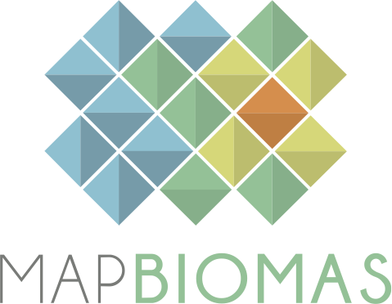
 |  | Versão 1 |  | Version 1
 |  | Maio 2026 |  | May 2026

 | BASE DE DADOS DE COBERTURA E USO DA TERRA |  | LAND COVER AND LAND USE DATABASE

 | COLEÇÃO 3 - PROJETO MAPBIOMAS 10m |  | COLLECTION 3 - MAPBIOMAS 10m

 | 1. Esta base de dados contém as áreas (ha) por classe de cobertura e uso da terra para cada país, estado, município, Unidade de Conservação e Terra Indígena do Brasil para o período de 2017 a 2024 |  | 1. This database contains the area (ha) per land cover and land use class for each country, state, municipality, Conservation Unit and Indigenous Territory in Brazil for the period from 2017 to 2024

 | 2. Todos os dados são apresentados em três níveis de classe de legenda. |  | 2. All data is presented in three levels of legend classes.

 | 3. Para acessar a base de dados georeferenciada acesse: mapbiomas.org |  | 3. To acesss the complete georeferenced data please access: mapbiomas.org

 | 4. Os dados do MapBiomas são públicos e gratuitos mediante a simples referência da fonte observando o seguinte formato: |  | 4. The MapBiomas data are public, open and free through the simple reference of the source observing the following format:

 | "Projeto MapBiomas – "Projeto MapBiomas - Coleção 3 de Mapas Anuais de Cobertura e Uso da Terra do Brasil com 10 metros de resolução espacial, acessado em [data] através do link: [LINK]". |  | "MapBiomas Project - Collection 3 of the Annual Land Use and Land Cover Maps of Brazil with 10 meters of spatial resolution, accessed on [date] through the link: [LINK]".
 | "Projeto MapBiomas - é uma iniciativa multi-institucional para gerar mapas anuais de cobertura e uso da terra a partir de processos de classificação automática aplicada a imagens de satélite. A descrição completa do projeto encontra-se em http://mapbiomas.org" |  | "MapBiomas Project - is a multi-institutional initiative to generate annual land cover and use maps using automatic classification processes applied to satellite images. The complete description of the project can be found at http://mapbiomas.org"

mapbiomas2018

